Cover
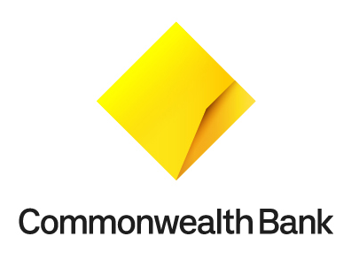

2021 Sustainability Performance Overview Metrics, definitions and reporting standards

To provide transparency for all our stakeholders, we set targets, measure and report on a range of customer, environmental, social and governance metrics.

All metrics capture data of the wholly owned and operated entities of the Group, associates and joint ventures unless otherwise stated.

PwC has provided limited assurance on these metrics (pages 58-64) for the year ended 30 June 2021, unless otherwise indicated. The PwC Limited Assurance Report is available on pages 65-66 in the 2021 Annual Report.

Use the navigation below to view: Customer, environmental, social and governance metrics Definitions for these metrics Broader definition for Low Carbon Funding that aligns to our target of $15bn by 2025 Broader definition for the Energy Value Chain that is included in the Addressing climate change chapter of the 2021 Annual Report Operational reduction targets Disclosures that align to standards set by the Global Reporting Initiative (GRI) and Sustainability Accounting Standards Board (SASB)

Metrics
Other
Reporting Standards
Customer
Environmental
Social -
Our People
Social - Community
Governance
Definitions
Low Carbon Funding
Energy Value Chain
Operational Reduction Target
GRI
SASB

